Competitive Analysis
Place program in one of the four quadrants

Market has high growth

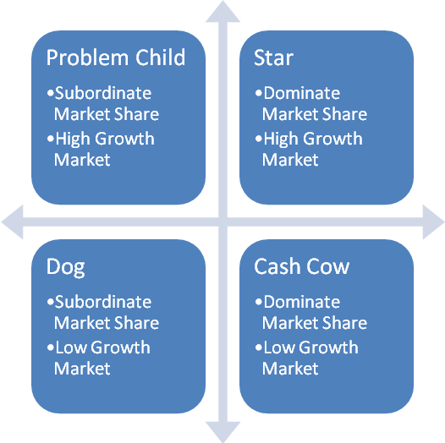

Program has subordinate market share
Program has dominate market share

Market has low growth

